Final
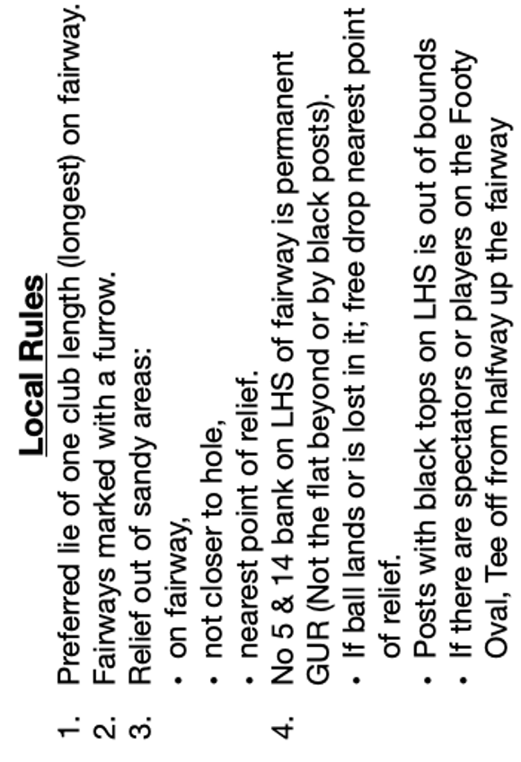
Date: |  |  |  |  |  |  | Lancelin |  |  |  |  |  | Gross | Stbd
Event: |  |  |  |  |  |  | Sex | Hcap | GolfLink # |  |  |  | 0 | 0
Player: |  |  |  |  |  |  | M |  |  |  |  |  | Net | Par
Marker: |  |  |  |  |  |  | M |  |  |  |  |  | 0 | +0

Men's |  |  |  |  |  |  |  |  |  |  |  | Ladies'
Mtrs | Idx | Par | Xtra | Stks | Scr | +/- | Hole | Xtra | Stks | Scr | +/- | Mtrs | Idx | Par
404 | 1 | 4 | 0 |  |  |  | 1 | 0 |  |  |  | 293 | 13 | 4
315 | 7 | 4 | 0 |  |  |  | 2 | 0 |  |  |  | 255 | 8 | 4
147 | 9 | 3 | 0 |  |  |  | 3 | 0 |  |  |  | 96 | 15 | 3
303 | 13 | 4 | 0 |  |  |  | 4 | 0 |  |  |  | 290 | 5 | 4
444 | 10 | 5 | 0 |  |  |  | 5 | 0 |  |  |  | 414 | 1 | 5
141 | 16 | 3 | 0 |  |  |  | 6 | 0 |  |  |  | 99 | 10 | 3
254 | 15 | 4 | 0 |  |  |  | 7 | 0 |  |  |  | 259 | 14 | 4
444 | 11 | 5 | 0 |  |  |  | 8 | 0 |  |  |  | 406 | 3 | 5
352 | 3 | 4 | 0 |  |  |  | 9 | 0 |  |  |  | 285 | 16 | 4
2804 | 85 | 36 | 0 | 0 | 0 |  | Out | 0 | 0 | 0 |  | 2397 | 85 | 36

370 | 5 | 4 | 0 |  |  |  | 10 | 0 |  |  |  | 324 | 6 | 4
292 | 12 | 4 | 0 |  |  |  | 11 | 0 |  |  |  | 292 | 4 | 4
115 | 17 | 3 | 0 |  |  |  | 12 | 0 |  |  |  | 115 | 17 | 3
330 | 8 | 4 | 0 |  |  |  | 13 | 0 |  |  |  | 264 | 11 | 4
479 | 4 | 5 | 0 |  |  |  | 14 | 0 |  |  |  | 368 | 2 | 5
99 | 18 | 3 | 0 |  |  |  | 15 | 0 |  |  |  | 99 | 18 | 3
262 | 14 | 4 | 0 |  |  |  | 16 | 0 |  |  |  | 265 | 12 | 4
520 | 2 | 5 | 0 |  |  |  | 17 | 0 |  |  |  | 379 | 7 | 5
337 | 6 | 4 | 0 |  |  |  | 18 | 0 |  |  |  | 260 | 9 | 4
2804 | 86 | 36 | 0 | 0 | 0 |  | In | 0 | 0 | 0 |  | 2366 | 86 | 36
2804 |  | 36 | 0 | 0 | 0 |  | Out | 0 | 0 | 0 |  | 2397 |  | 36
5608 |  | 72 | 0 | 0 | 0 |  | Total | 0 | 0 | 0 |  | 4763 |  | 72
ACR 34.5/34 69 |  |  |  | 0 |  | +0 | Hcap |  | 0 |  | +0 | AWCR 35/35 70
Slope 107/111 109 |  |  |  | 0 |  |  | Nett |  | 0 |  |  | Slope 119/118 119
Markers Name |  |  |  |  |  |  | PLAYER's Agreement, delete as appropriate.
 |  |  |  |  |  |  |  | Y |  | N
Observe Social Distancing. Submit card to 0406787070 or lanogolfsec@yahoo.com.au
 |  |  |  |  | NP | X | 3 |  | 6 |  | 12 |  | 15
 |  |  |  |  | NP | X | 3 |  | 6 |  | 12 |  | 15

